Artifacts
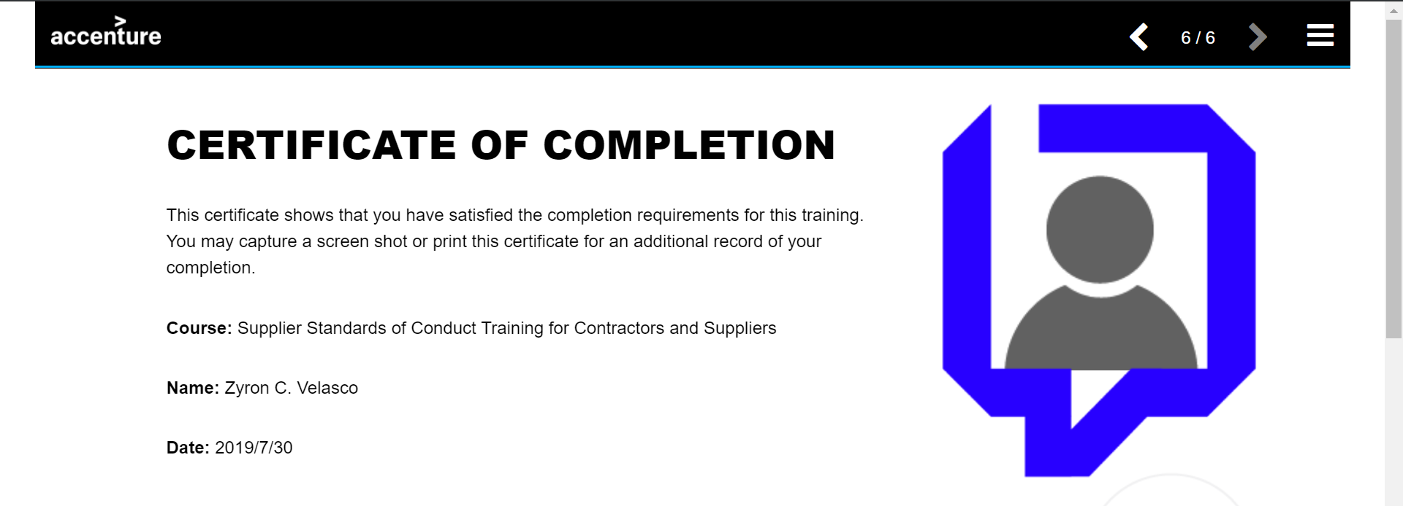
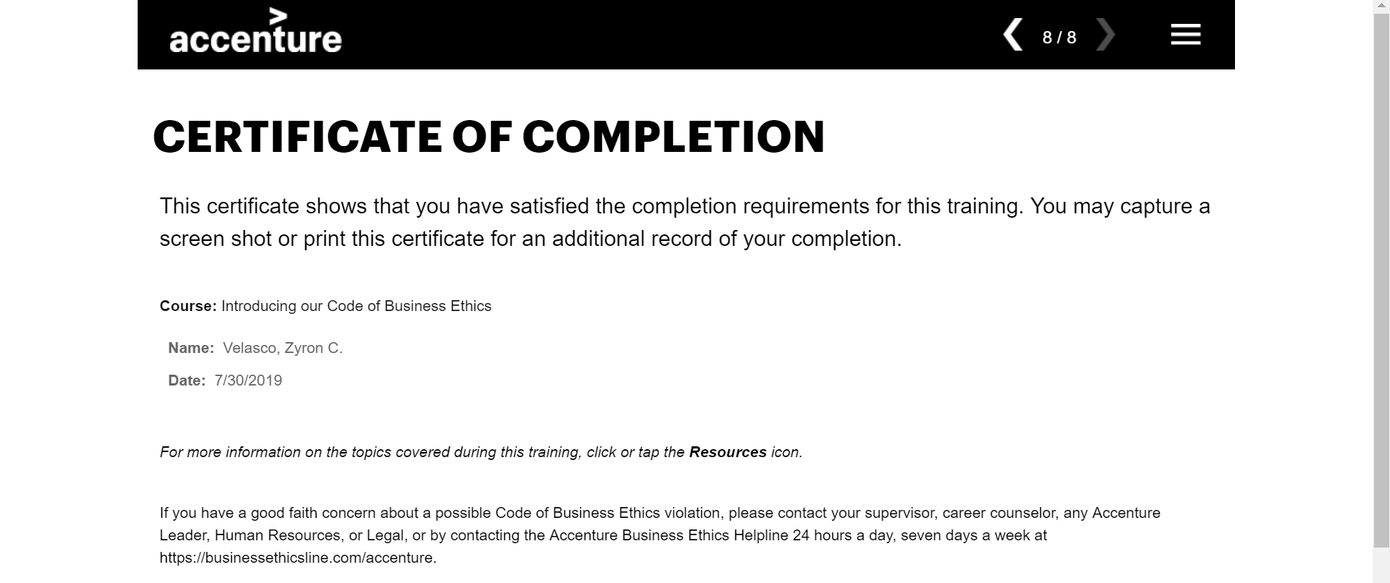

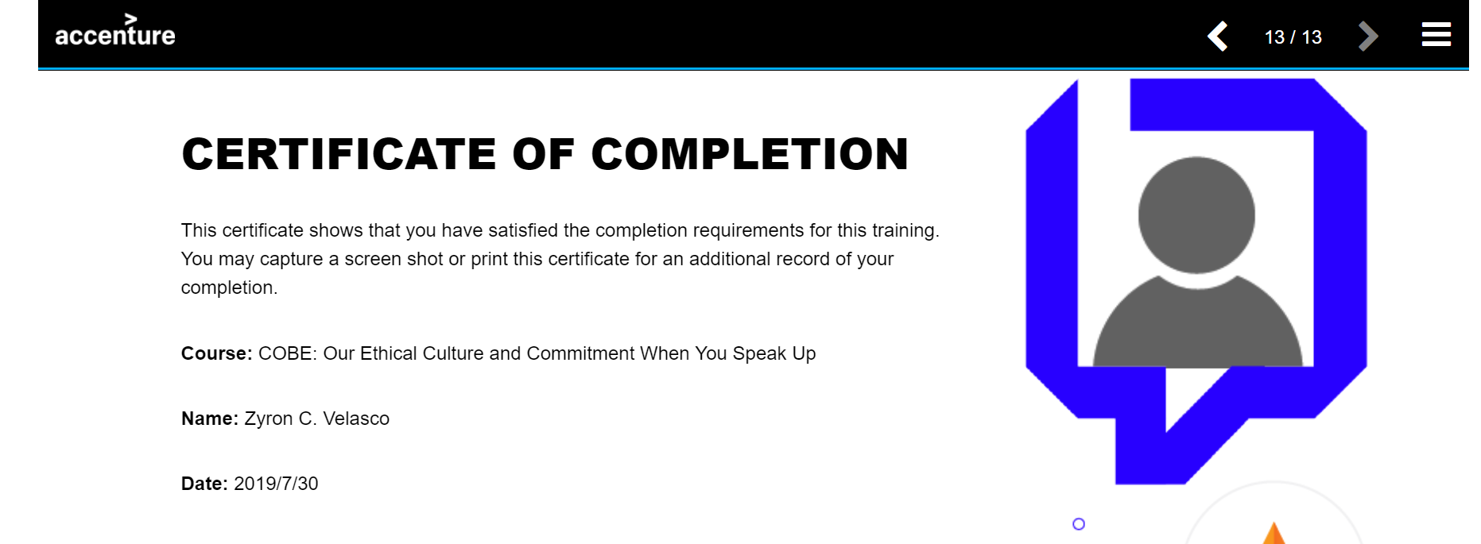
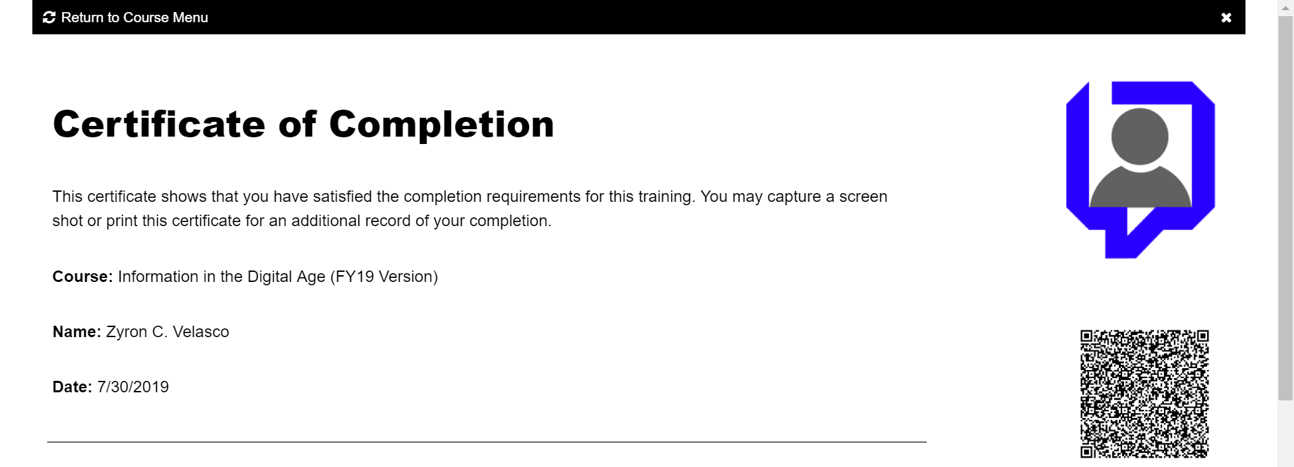
Artifacts:
1.) Trainings: | Socila Media Training
 | Ethics Certification
 | Information Security
3.) Change Password
2.) Managers Approval

Note: I've changed my password, but didn't received any notification or confimation that I did.

